Sheet1


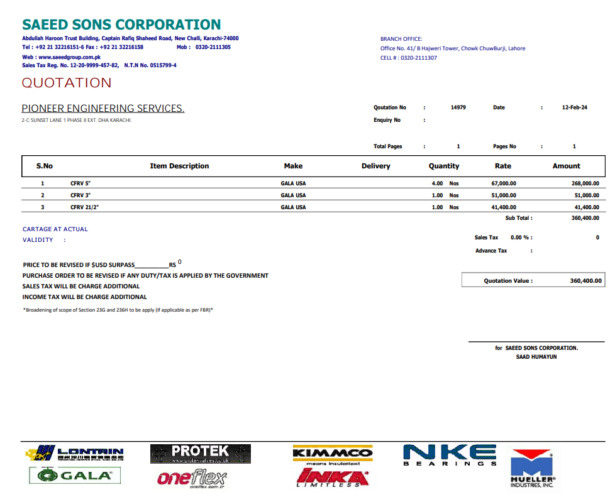

M/S Saeed Sons |  |  |  |  | 17-Feb-24

PO # MZN-1538
Att: Mr. Sheeraz

PURCHASE ORDER against quote Ref # 14979

Supply of Pipes for the project (Meezan Bank Head Office)
S No. | D e s c r i p t i o n | Qty | Unit | Rate | Amount
 | Brand: GALA |  |  |  |  |  | fakhri | saeed
1 | CFRV 4" | 5 | Nos | 67,000 | 335,000 | 5,360 | 61,640
2 | CFRV 3" | 1 | Nos | 51,000 | 51,000 | 4,080 | 46,920
3 | CFRV 2-1/2" | 1 | Nos | 41,400 | 41,400 | 3,312 | 38,088 | 3,370
 |  | TOTAL: |  |  | 427,400

for PIONEER ENGINEERING SERVICES

